Sheet1
Practical on jenkins (Jenkins Installation)

1> Launch Ubuntu Instance

> On Ubuntu Instance -> Install jenkins
 | > First we need to install Java

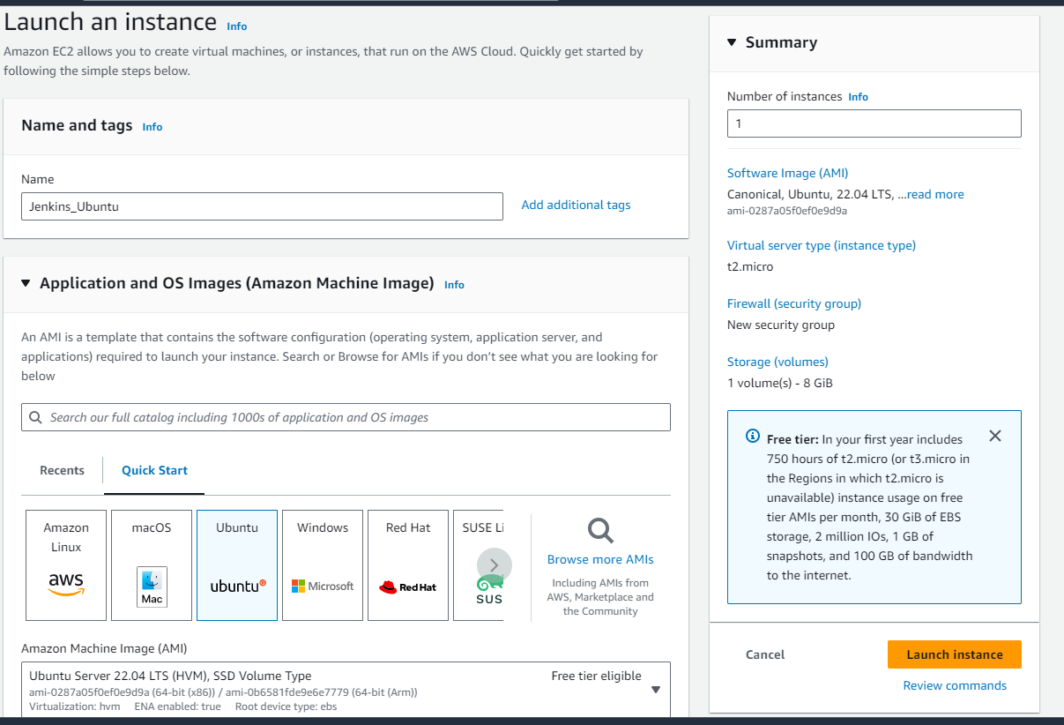

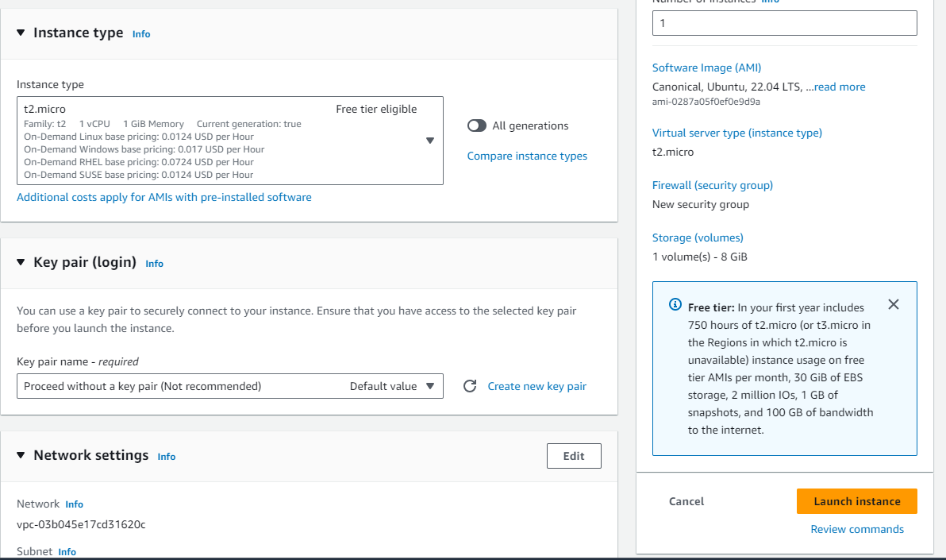

> Connect and go to root user :

2> Goto Google and search for jenkins installation on Ubuntu (to copy codes)

> Goto google and type jenkins installation on Ubuntu
 | > Click the first link | https://www.jenkins.io/doc/book/installing/linux/
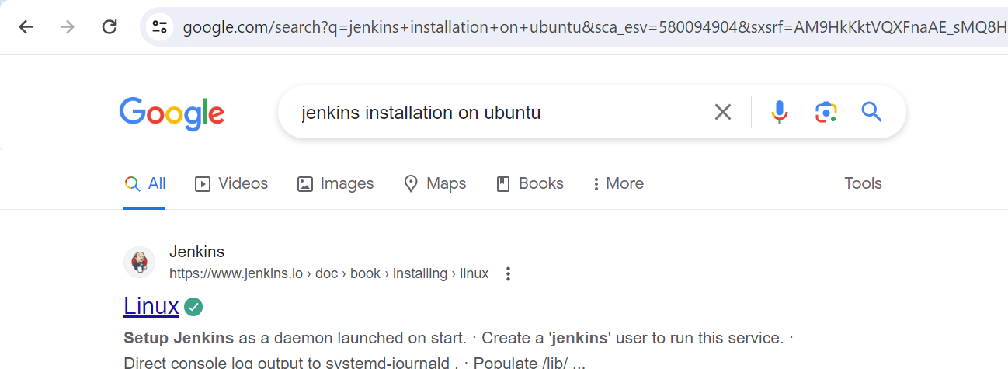

> Click on Debian/Ubuntu
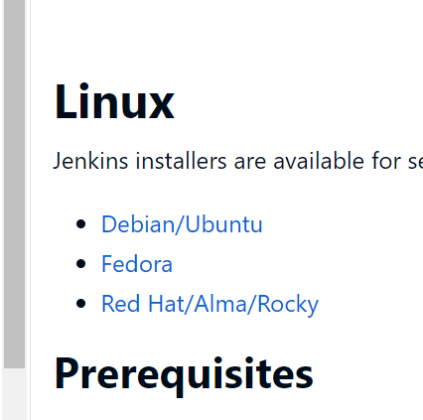

3> To Install Jenkins, first we have to install Java

> First we have to Install Java :

 | Copy the command and paste in Ubuntu Server CLI

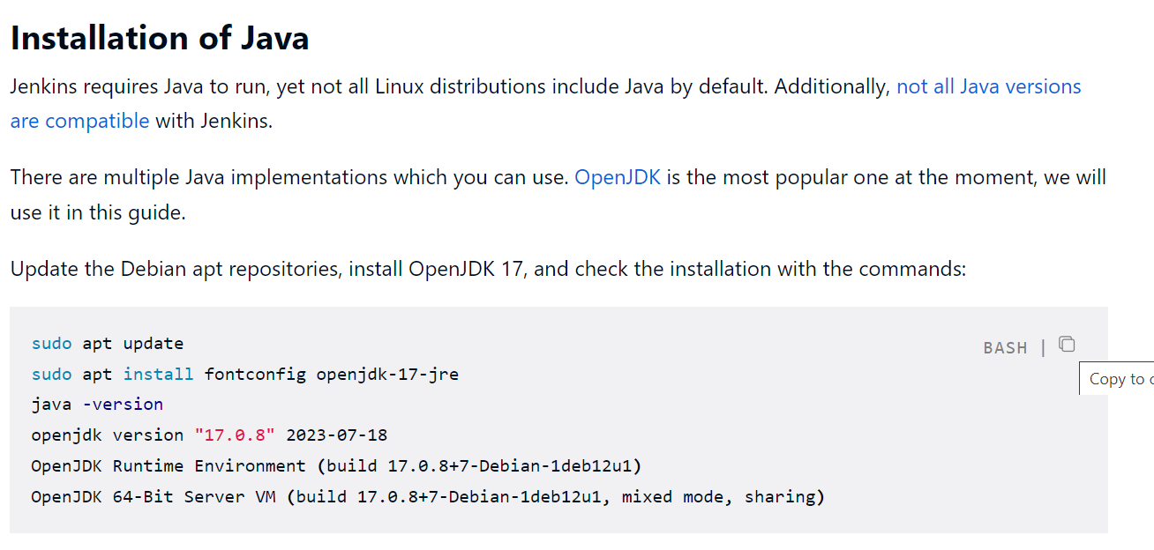

 | sudo apt update
 | sudo apt install fontconfig openjdk-17-jre
 | java -version
 | openjdk version "17.0.8" 2023-07-18
 | OpenJDK Runtime Environment (build 17.0.8+7-Debian-1deb12u1)
 | OpenJDK 64-Bit Server VM (build 17.0.8+7-Debian-1deb12u1, mixed mode, sharing)

4> Check Java version : java --version

5> Now Install Jenkins (after Java Installation which is done above)

In Jenkins Page : Goto Top Long Term Support Release and copy the command
 | Copy the command and paste in Ubuntu Server CLI
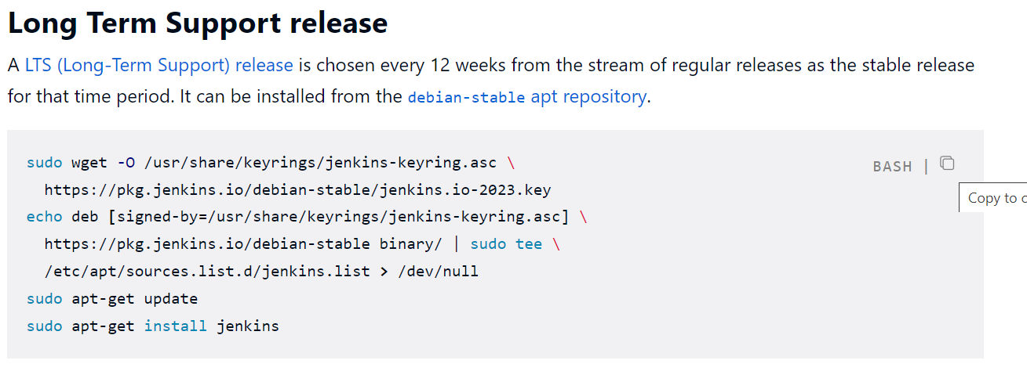

 | sudo wget -O /usr/share/keyrings/jenkins-keyring.asc \
 | https://pkg.jenkins.io/debian-stable/jenkins.io-2023.key
 | echo deb [signed-by=/usr/share/keyrings/jenkins-keyring.asc] \
 | https://pkg.jenkins.io/debian-stable binary/ | sudo tee \
 | /etc/apt/sources.list.d/jenkins.list > /dev/null
 | sudo apt-get update
 | sudo apt-get install jenkins

6> Check Jenkins after Installation , also check jenkins version

ps -ef | grep jenkins

jenkins --version

7> To connect we have to allow All TCP , Goto UBUNTU Instance and change security groups to allow all TCP

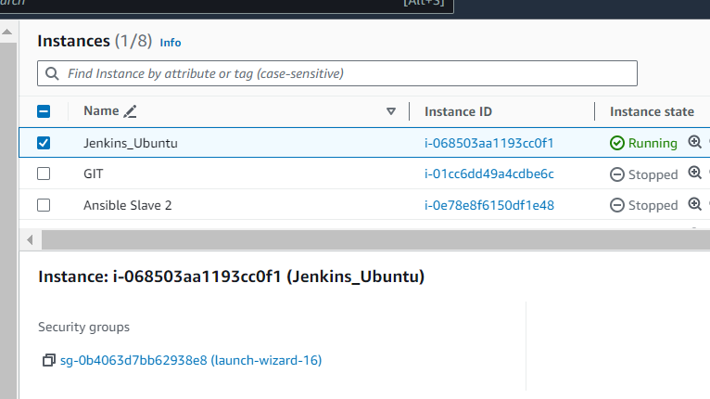

Edit Inbound Rules to allow all TCP and save rules
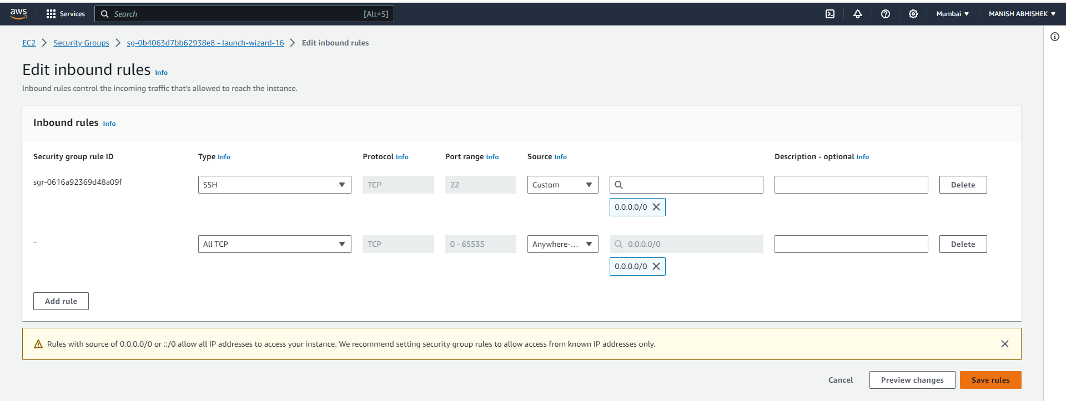

8> Login to Jenkins : Goto UBUNTU Instance and copy Public IP of Instance followed by :8080 to connect

35.154.79.209

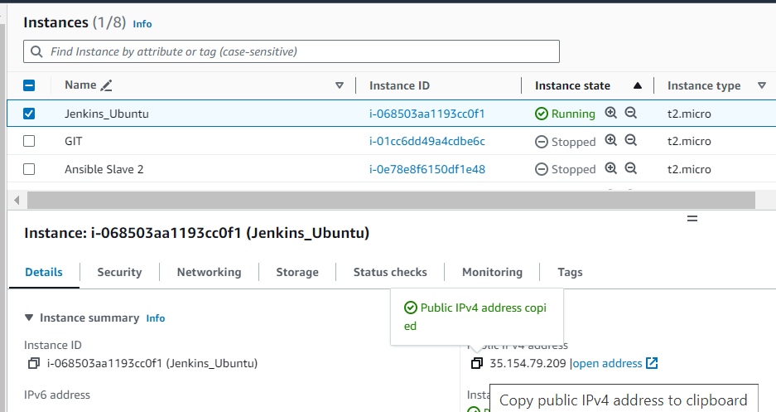

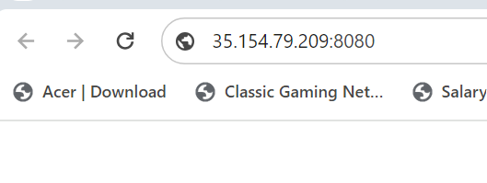

Hit Enter :

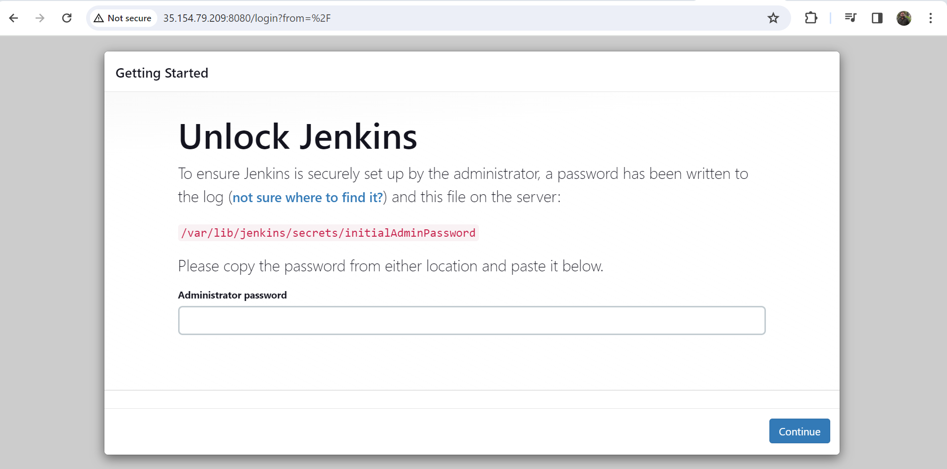

> Copy the path /var/lib/jenkins/secrets/initialAdminPassword and give in instance followed by cat (to get the password)

 | cat /var/lib/jenkins/secrets/initialAdminPassword

 | a299d2708d1b42259f338b59b7f1c928 |  | Password is a299d2708d1b42259f338b59b7f1c928

> paste in Password field and click on Continue : Install Suggested Plugins

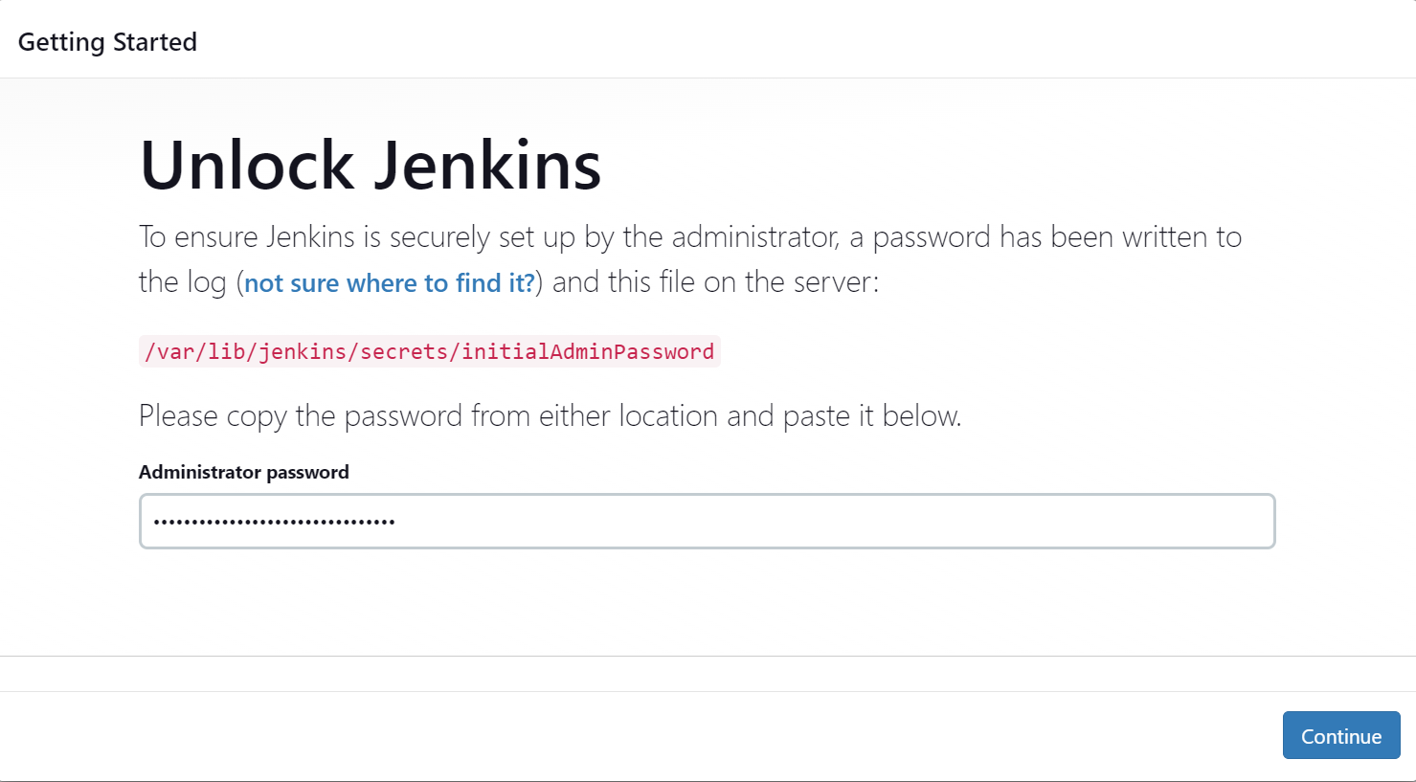

> it will take some time to complete the setup:

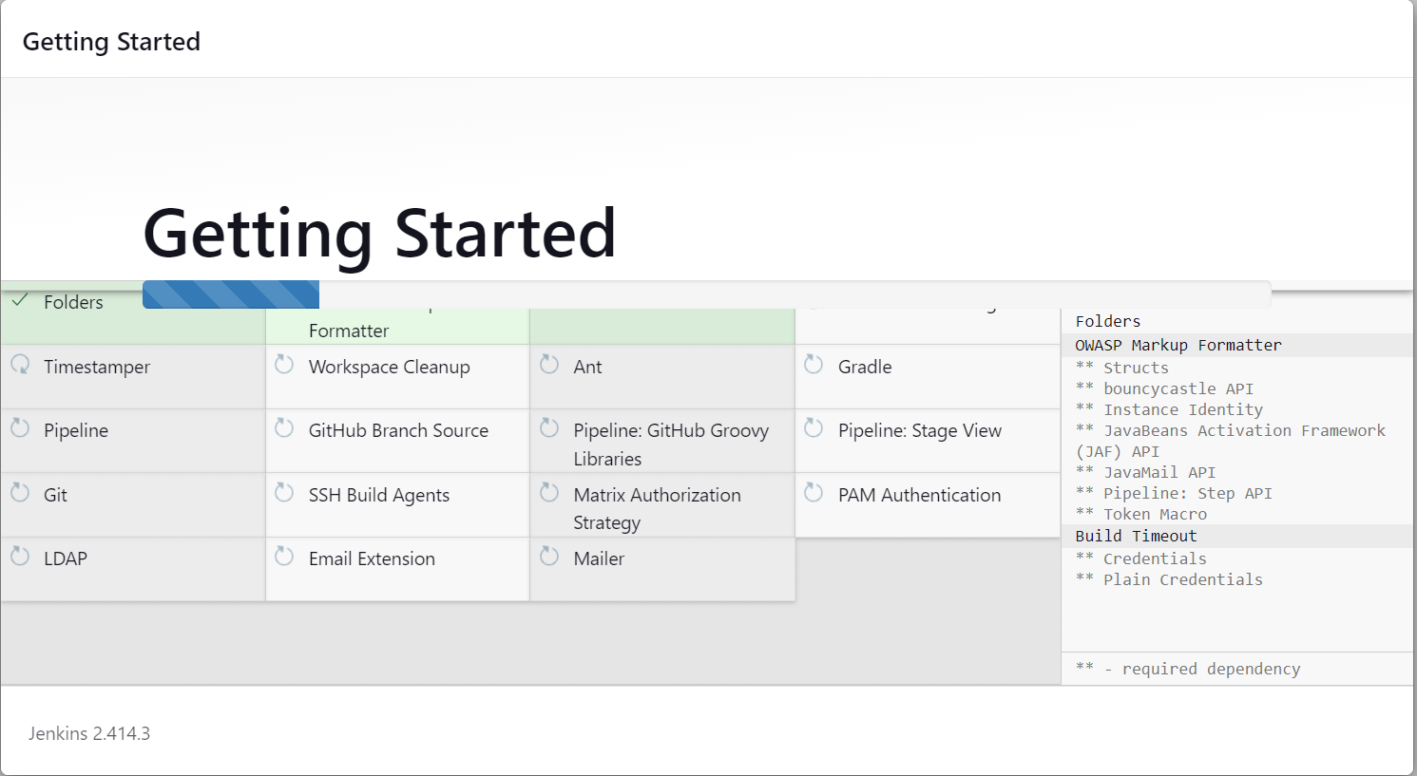

9> Create Admin User and Password

User Name : Admin
Password : admin

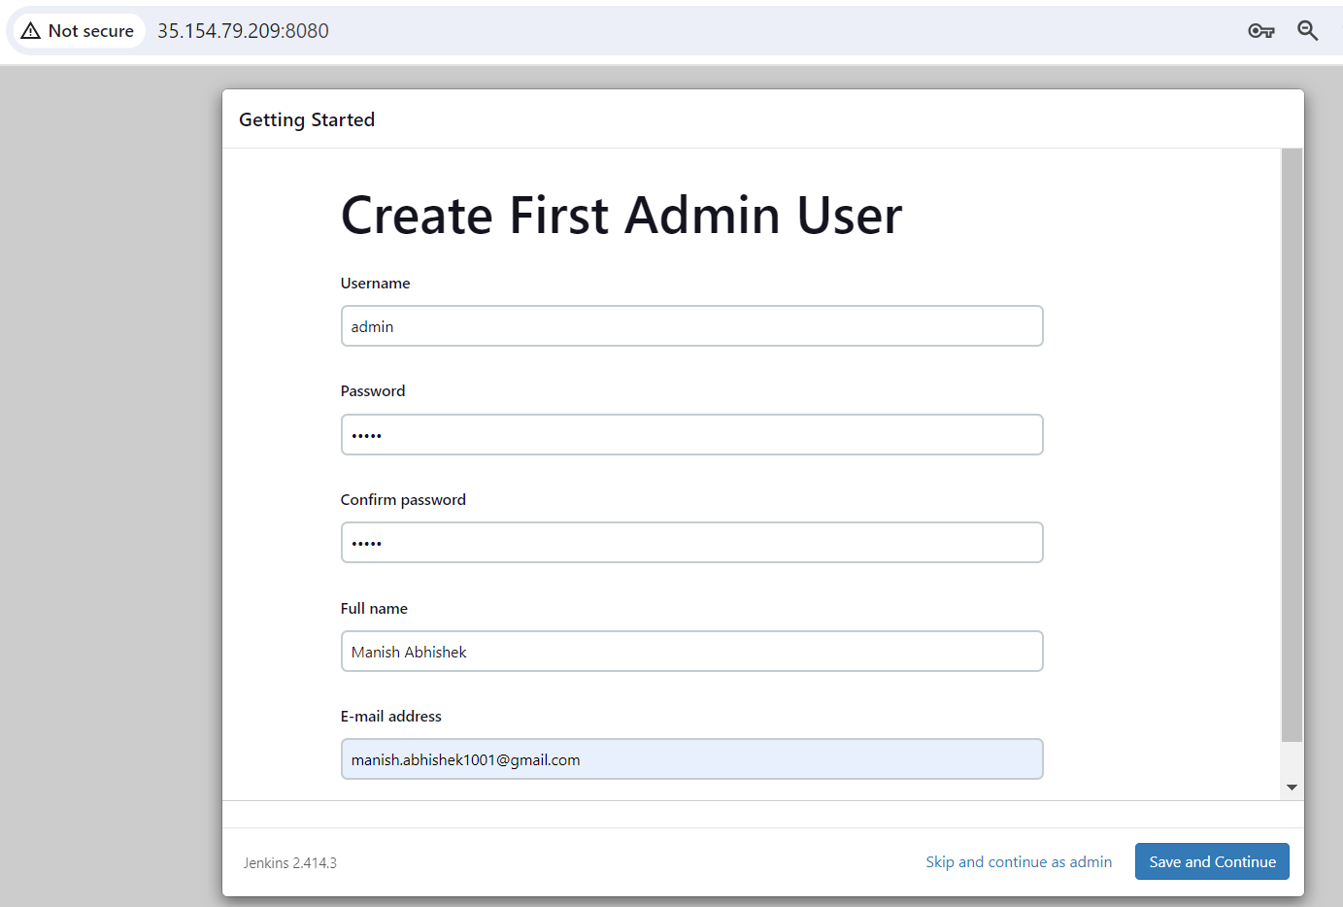

Save and Continue :

10> Url to open jenkins from next time :

http://35.154.79.209:8080/

Save and finish

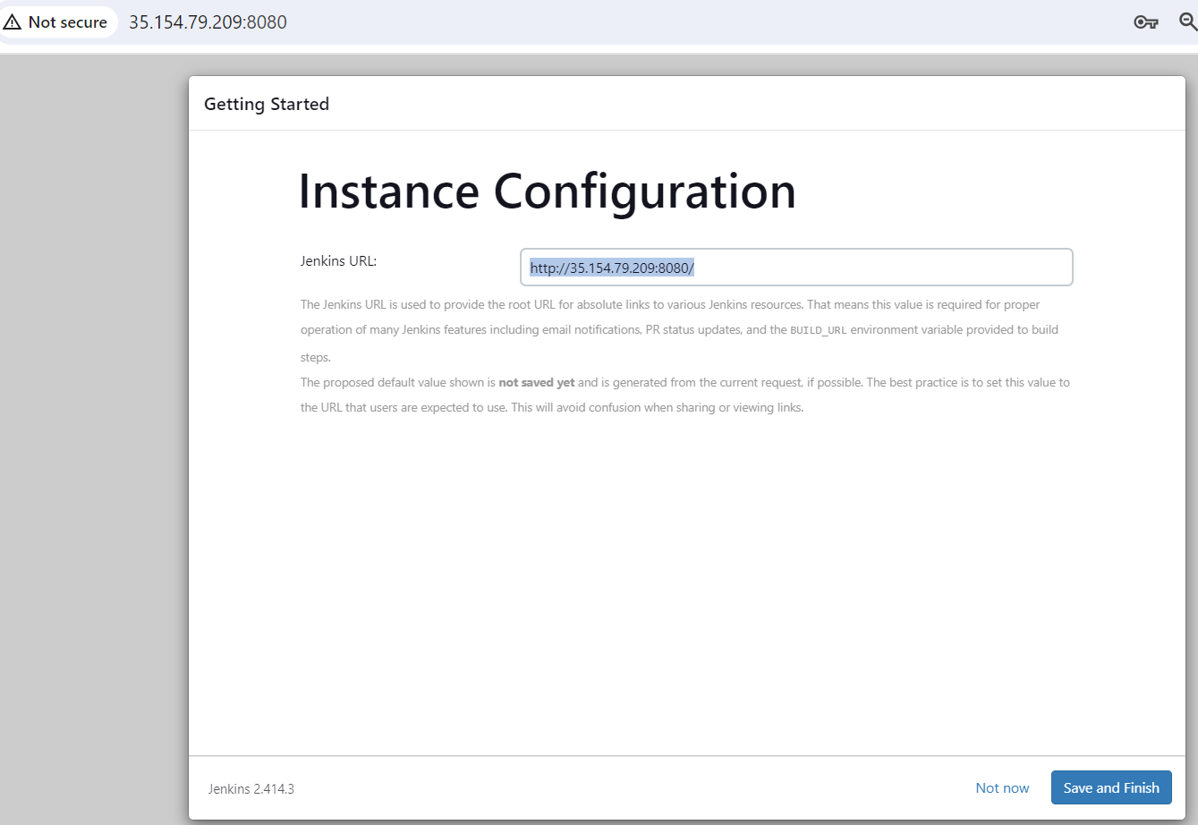

Start Using Jenkins :

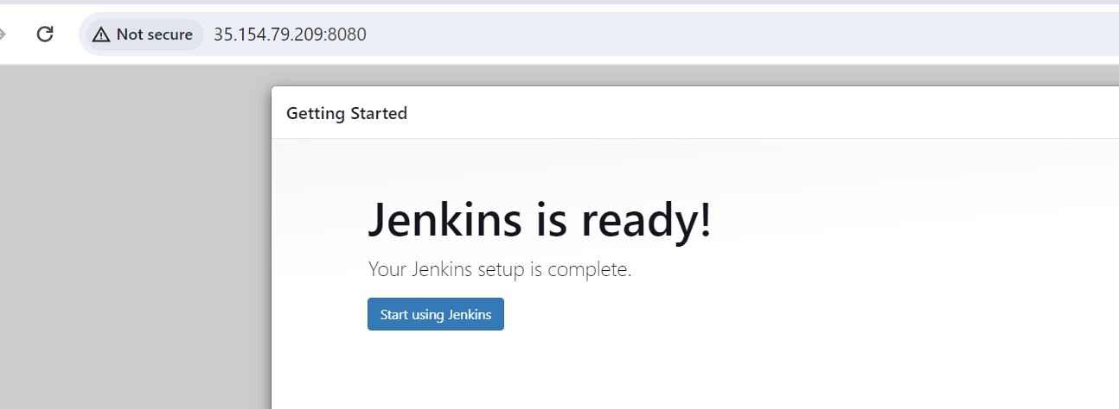

11> Home Page of jenkins

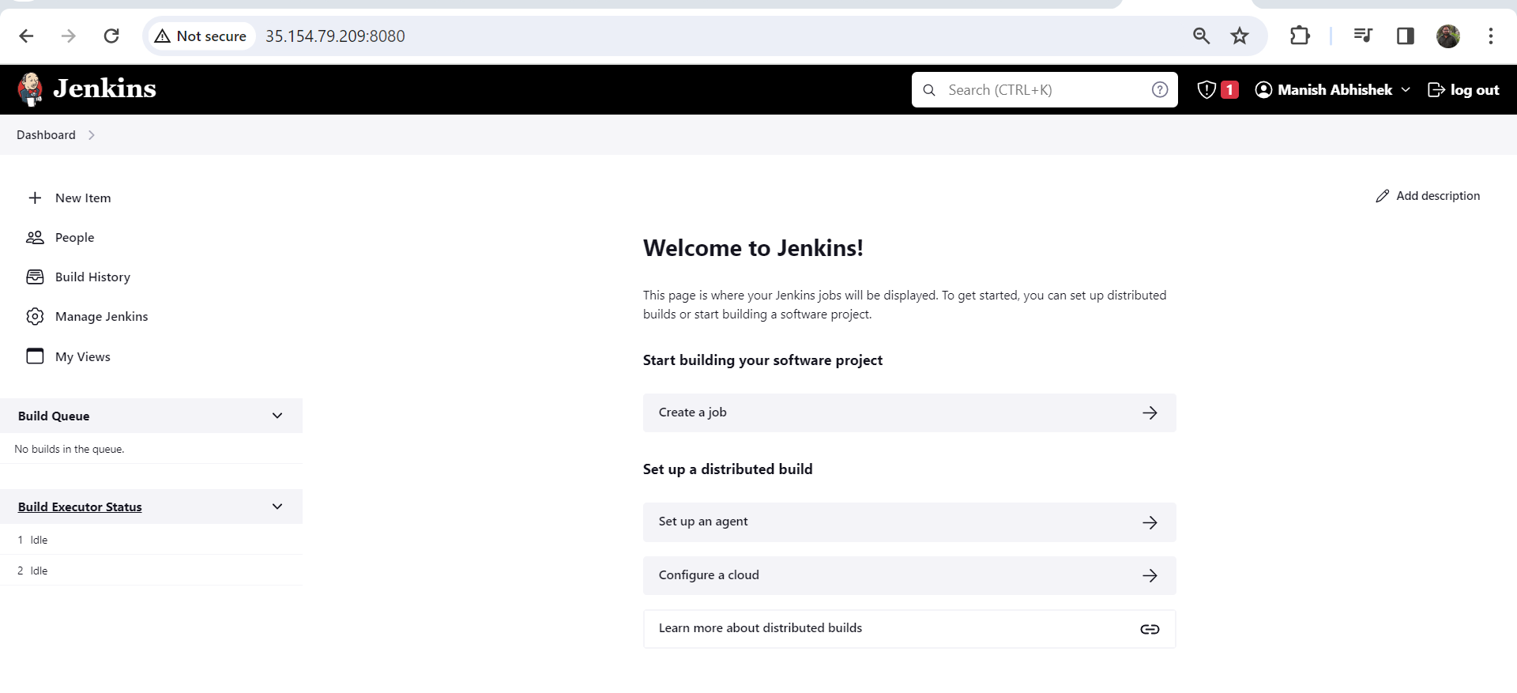

12> When we stop the Instance and restart it, public IP will change. So we have to use elastic IP (which is same) so that we can use same url all the times

